Sheet1


PES/BAH/002/04/23 |  |  |  |  |  |  | 2023-04-27

Attn: Mr. S. Talal.
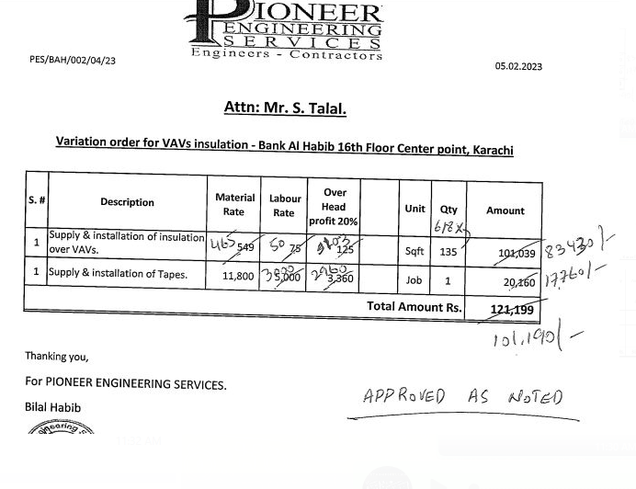
Variation order for VAVs insulation - Bank Al Habib 16th Floor Center point, Karachi

S. # | Description | Material Rate | Labour Rate | Over Head profit 20% | Unit | Qty | Amount
1 | Supply & installation of insulation over VAVs. | 465 | 75 | 108 | Sqft | 135 | 87,480
2 | Supply and installation of Tapes. | 10,000 | 5,000 | 3,000 | Job | 1 | 18,000
Total Amount Rs. |  |  |  |  |  |  | 105,480

Thanking you,

For PIONEER ENGINEERING SERVICES.

Bilal Habib

